Sheet1
 | SHORT CUT KEYS FOR EXCEL
 |  |  |  | i3
CTRL + Right Arrow |  | Take End Right |  |  | Rand of cells
CTRL + left Arrow |  | Take End Left |  |  |  |  |  |  |  | Tabs
CTRL + up Arrow |  | Take End UP
CTRL + Down Arrow |  | Take End Down |  |  |  | i3 to n10 is the range means from start
 |  |  |  |  |  | to end cell
Total colomns: XFD (16384
Total Rows: 1048576 |  |  |  |  |  |  |  | n10

 |  |  |  |  |  | Title Bar with left side Quick Access bar and Work book name on left side
ADD new sheet
shift + f11

 |  |  |  | Ribbons Bar with Groups separated by Vertical Line

 | text | left side |  |  | Name Box
 | 12 | right side
 |  |  |  |  |  |  | Formula Bar

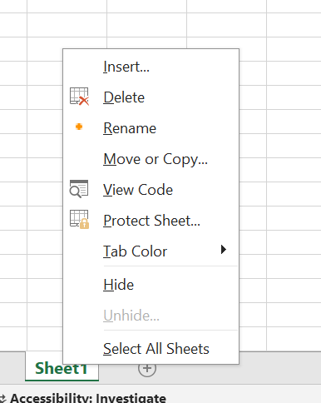

 |  | Formula: | when use mathematical symbols called formula in excel
 |  | Function: | When use pre defined functions for sum called functions in excel

 |  |  |  |  |  |  |  |  | Lock sheet
 | f12 = save as

